MIN MAX AVG
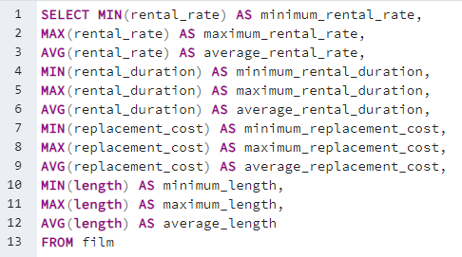
minimum_rental_rate | maximum_rental_rate | average_rental_rate | minimum_rental_duration | maximum_rental_duration | average_rental_duration | minimum_replacement_cost | maximum_replacement_cost | average_replacement_cost | minimum_length | maximum_length | average_length
0.99 | 4.99 | 2.98 | 3 | 7 | 4.985 | 9.99 | 29.99 | 19.984 | 46 | 185 | 115.272

Top 5 customers
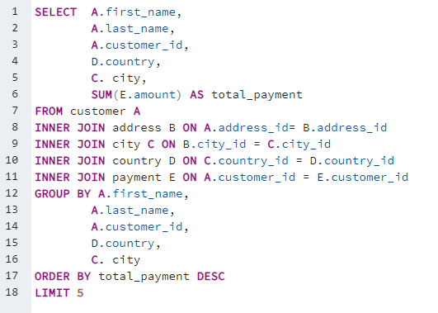
first_name | last_name | customer_id | country | city | total_payment
Eleanor | Hunt | 148 | Runion | Saint-Denis | 211.55
Karl | Seal | 526 | United States | Cape Coral | 208.58
Marion | Snyder | 178 | Brazil | Santa Brbara dOeste | 194.61
Rhonda | Kennedy | 137 | Netherlands | Apeldoorn | 191.62
Clara | Shaw | 144 | Belarus | Molodetno | 189.6

Top 10 countries
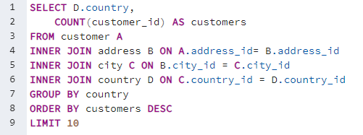
country | customers
India | 60
China | 53
United States | 36
Japan | 31
Mexico | 30
Brazil | 28
Russian Federation | 28
Philippines | 20
Turkey | 15
Indonesia | 14

Top 10 cities
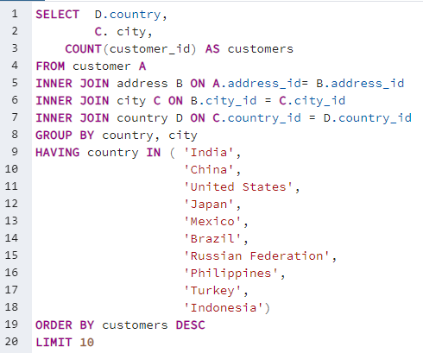
country | city | customers
United States | Aurora | 2
Mexico | Acua | 1
United States | Citrus Heights | 1
Japan | Iwaki | 1
India | Ambattur | 1
China | Shanwei | 1
Brazil | So Leopoldo | 1
Russian Federation | Teboksary | 1
China | Tianjin | 1
Indonesia | Cianjur | 1

Top 10 Movies
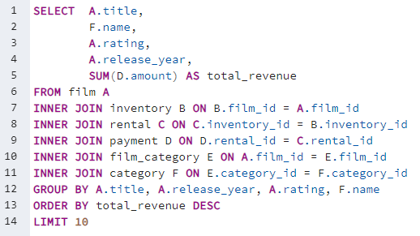
Title | Name | Rating | Release Year | Total Revenue
Telegraph Voyage | Music | PG | 2006 | $215.75
Zorro Ark | Comedy | NC-17 | 2006 | $199.72
Wife Turn | Documentary | NC-17 | 2006 | $198.73
Innocent Usual | Foreign | PG-13 | 2006 | $191.74
Hustler Party | Comedy | NC-17 | 2006 | $190.78
Saturday Lambs | Sports | G | 2006 | $190.74
Titans Jerk | Sci-Fi | PG | 2006 | $186.73
Harry Idaho | Drama | PG-13 | 2006 | $177.73
Torque Bound | Drama | G | 2006 | $169.76
Dogma Family | Animation | G | 2006 | $168.72

Bottom 10 movies
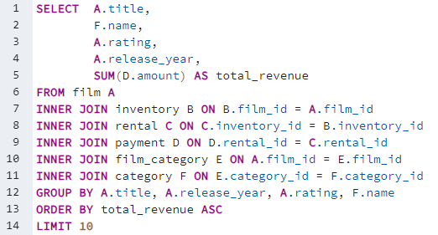
Title | Genre | Rating | Release Year | Total Revenue
Oklahoma Jumanji | New | PG | 2006 | $5.94
Duffel Apocalypse | Documentary | G | 2006 | $5.94
Texas Watch | Horror | NC-17 | 2006 | $5.94
Freedom Cleopatra | Comedy | PG-13 | 2006 | $5.95
Rebel Airport | Music | G | 2006 | $6.93
Young Language | Documentary | G | 2006 | $6.93
Cruelty Unforgiven | Classics | G | 2006 | $6.94
Treatment Jekyll | Drama | PG | 2006 | $6.94
Lights Deer | Classics | R | 2006 | $7.93
Japanese Run | Horror | G | 2006 | $7.94

Top 5 genres
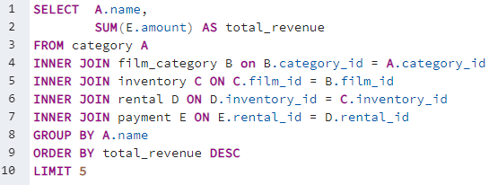
name | total_revenue
Sports | $4,892.19
Sci-Fi | $4,336.01
Animation | $4,245.31
Drama | $4,118.46
Comedy | $4,002.48

top 10 genres
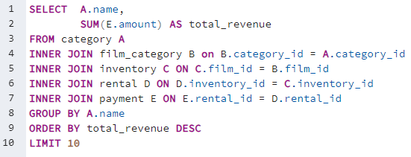
Genre | Total Revenue
Sports | $4,892.19
Sci-Fi | $4,336.01
Animation | $4,245.31
Drama | $4,118.46
Comedy | $4,002.48
New | $3,966.38
Action | $3,951.84
Foreign | $3,934.47
Games | $3,922.18
Family | $3,782.26

Top 10 actors
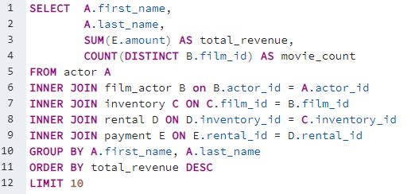
Name | Total Revenue | Movie Count | Movie Average
SusanDavis | $3,193.49 | 53 | $60.25
GinaDegeneres | $3,129.17 | 42 | $74.50
MatthewCarrey | $2,543.78 | 37 | $68.75
MaryKeitel | $2,426.92 | 40 | $60.67
ScarlettDamon | $2,403.81 | 35 | $68.68
WalterTorn | $2,403.18 | 39 | $61.62
HenryBerry | $2,392.36 | 35 | $68.35
ChristianAkroyd | $2,378.97 | 31 | $76.74
AngelaWitherspoon | $2,357.11 | 35 | $67.35
CameronZellweger | $2,322.94 | 30 | $77.43

